Wk 9 Mgmt
Your Name: | Tiffany Gwyneth Tiono
Company Name and Ticker: | Colgate Palmolive & CL |  |  | Note: There are two tabs for Week 9
 |  |  |  |  |  | Questions
Week 9: Management Analysis |  |  |  |  | Please take a screenshot of management compensation here | How would you evaluate mgmt compensation? As well, how does mgmt compensation compared to other Named Executive Officers (NEOs)? The key principles underlying the Colgate Palmolive’s compensation philosophy are aligning pay and performance, driving strong business results, focusing on long-term shareholder return and attracting, motivating and retaining high-quality talent. Annual and long-term incentive award payments vary based on the Colgate Palmolive’s business performance, and the value of equity awards also varies based on the performance of the Colgate Company’s common stock. In 2017, almost 90% of the total compensation earned by the Calgote Palmolive’s Chairman, President and Chief Executive Officer (“CEO”) was performance-based, and over 70% of the average total compensation earned by the other executive officers together with the CEO, the “Named Officers” was performance based which is composed in 88% performance-based,12% base salary for CEO; 28% base salary, 72% performance-based.
 | Grade (A-F) | Grade (0-10) | Weighting (%) | Explanation | 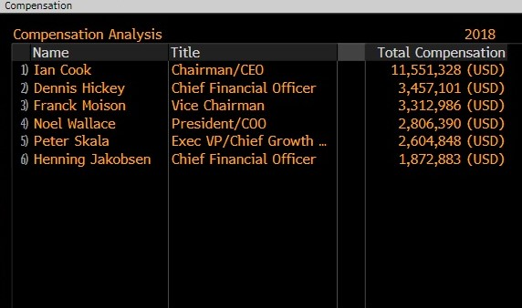 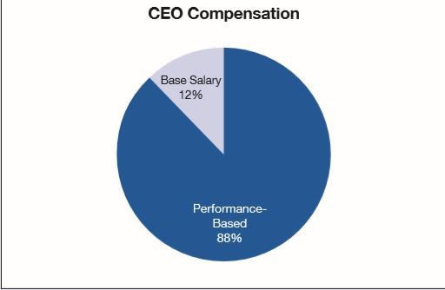 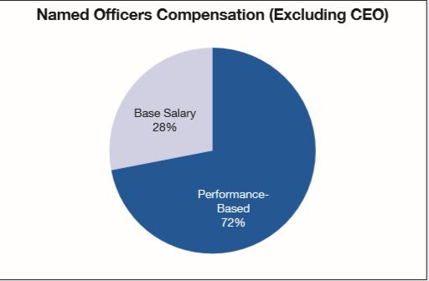
Honesty, integrity | A | 10.0 | 20% | The company is transparent in their financial statements.
Management background | B | 7.8 | 8% | The management of CL has a great solutions to solve but need more strategy to increase the overall net sales
Alignment of Interests (mgmt ownership) | B | 7.0 | 13% | The rules has been approved between stakeholders, CEO, and NPOs.
Ability to guide the company forward | B | 8.5 | 13% | The goals of the company is clear and address some issues that may challenge them to improve more in financial sector.
Communication Skills | A | 8.7 | 10% | I think there is a good communication between the board members.
Compensation policy regarding options | A | 8.9 | 11% | The rules has been approved between stakeholders, CEO, and NPOs.
Capital Allocation:
Share buybacks | B | 7.6 | 5% | They don't think to doing a buyback for a while
Pay down debt | B | 7.6 | 5% | They are still figured out how to pay the long-term debts
Reinvestment | B | 8.5 | 5% | They don't think to doing a reinvestment for a while
Acquisiton | B | 8.7 | 5% | They do more acquisition in order to adding more assets.
Dividends | B | 8.0 | 3% | They try to improving their dividends |  | Does the current mgmt compensation structure align with shareholder interests? Please elaborate. Yes, the current management compensation structure aligns with shareholder interests. The Colgate Palmolive company believes the practice of tying compensation to achievement of both annual and long-term business goals has driven strong operational performance and resulted in increased shareholder value over the long term. Over the course of the eleven-year tenure of the Colgate Palmolive’s CEO, which began in July 2007, the Colgate Palmolive company has delivered solid performance on both an absolute basis and relative to the Comparison Group as evidenced by Appendix A, showing that total shareholder return (“TSR”) and the CEO’s total direct compensation.
Other: | B | 8.3 | 2%
Total "Management" Grade: | B | 8.5 | 100%

Great managers:
1. Are honest, explain the company thoroughly, admit mistakes, and are generally trustworthy
2. Have the required skills and training
3. Own significant portions of the company
4. Do not buy unrelated companies at high valuations because they are empire-builders
5. Have a sound dividend/buyback policy that you agree with. Generally there should be a dividend. If there is no dividend, how is the company's track record of retained earnings?
6. Given the company's current situation, they must be the right people for now. Does the company need a visionary or an operator? |  |  |  |  |  | How would you evaluate mgmt compensation? As well, how does mgmt compensation compared to other Named Executive Officers (NEOs)? The key principles underlying the Colgate Palmolive’s compensation philosophy are aligning pay and performance, driving strong business results, focusing on long-term shareholder return and attracting, motivating and retaining high-quality talent. Annual and long-term incentive award payments vary based on the Colgate Palmolive’s business performance, and the value of equity awards also varies based on the performance of the Company’s common stock. In 2017, almost 90% of the total compensation earned by the Calgote Palmolive’s Chairman, President and Chief Executive Officer (“CEO”) was performance-based, and over 70% of the average total compensation earned by the other executive officers together with the CEO, the “Named Officers” was performance based which is composed in 88% performance-based,12% base salary for CEO; 28% base salary, 72% performance-based.
7. Does management communicate thoroughly? How do you grade their interviews and the MD&A? Do they answer questions?
8. Does management reward poor performance by giving away too many options?

From The Investment Checklist | (Optional questions for you to think, you can choose to answer or not)
Assessing the Quality of Management—Background and Classification: Who Are They?
1. What type of manager is leading the company? (OO to HH)
2. What are the effects on the business of bringing in outside management?
3. Is the CEO a Lion or Hyena?
4. How did the manager rise to lead the business?
5. How are senior managers compensated, and how did they gain their ownership interest? |  |  |  |  |  | How has mgmt been allocating capital? Share buybacks, Dividend, Pay down debt, Reinvest, Acquisitions Colgate Palmolive company has earned a return on invested capital (ROIC) below 20% only twice since 2007. Few companies can match Colgate Palmolive’s track record of steady profit growth and high ROIC. Colgate Palmolive company has achieved a superior ROIC compared to its peer group by directly incentivizing executives to focus on to the capital allocation. ROIC is one of seven metrics that CL uses to determine executive salaries, annual bonuses, and long-term incentives. This focus on improving ROIC aligns the interests of executives and shareholders and helps ensure prudent stewardship of capital. Shareholders can be confident that Colgate Palmolive's executives will avoid overpriced acquisitions such as PG’s deal for Gillette. I believe this superior corporate governance is an underrated competitive advantage. Colgate Palmolive’s strong corporate governance earns it a place in this model portfolio. CL’s emphasis on ROIC has not come at the expense of growth, either. Over the past decade, the company has the true cash flows of the business from $1.3 billion in 2007 to $2.1 billion in 2017, or 5% compounded annually. Moreover, I notice that Colgate Palmolive company currently acquisitions some companies in outside U.S.A. such as Laboratoires Filorga Cosmetiques, a French cosmetic company.
6. Have the managers been buying or selling the stock?

Assessing the Quality of Management—Competence: How Management Operates the Business
1. Does the CEO manage the business to benefit all stakeholders?
2. Does the management team improve its operations day-to-day or does it use a strategic plan to conduct its business?
3. Do the CEO and CFO issue guidance regarding earnings?
4. Is the business managed in a centralized or decentralized way?
5. Does management value its employees?
6. Does the management team know how to hire well?
7. Does the management team focus on cutting unnecessary costs?
8. Are the CEO and CFO disciplined in making capital allocation decisions?
Appendix A
9. Do the CEO and CFO buy back stock opportunistically?

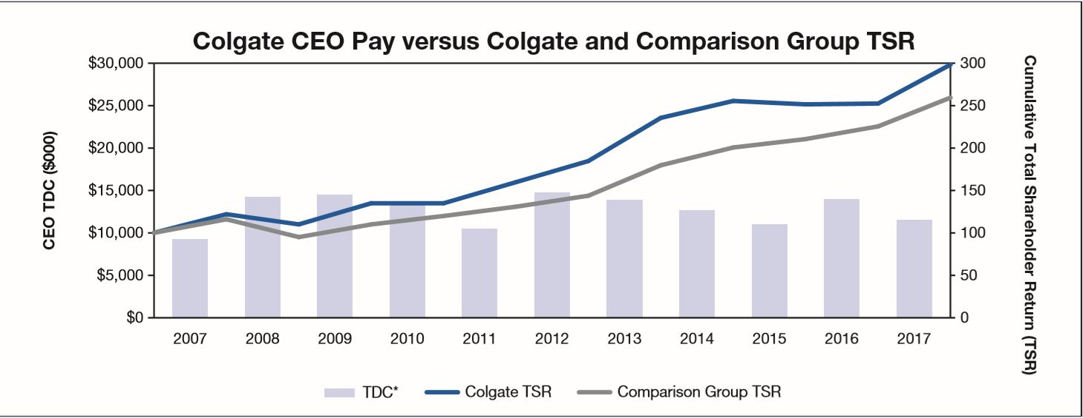
Assessing the Quality of Management—Positive and Negative Traits
1. Does the CEO love the money or the business?
2. Can you identify a moment of integrity for the manager?
3. Are managers clear and consistent in their communications and actions with stakeholders?
4. Does management think independently and remain unswayed by what others in their industry are doing?
5. Is the CEO self-promoting?

Evaluating Mergers & Acquisitions
1. How does management make M&A decisions?
2. Have past acquisitions been successful?

 |  |  |  |  | Sources: https://www.sec.gov/Archives/edgar/data/21665/000093041318001137/c90423_def14a.pdf

